Recherche_primaire
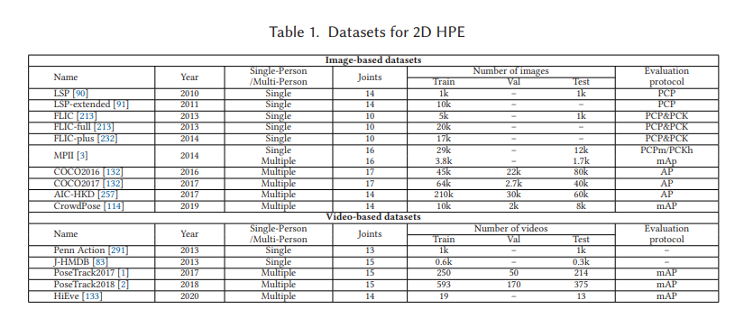
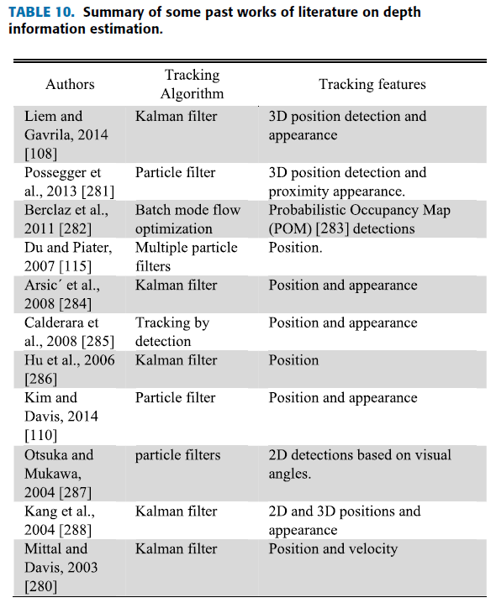
Keywords for the search: | Identification Papers

General terms: ("camera tracking" OR "camera pose estimation" OR "6-DOF camera tracking" OR "camera calibration") | 15 900 on google Scholar 8789 on ieeexplore 3 on Sementic Scholar 2989 on ACM
Virtual production-specific terms: ("Virtual Production" OR "LED volume" OR "ICVFX" OR "real-time VP tracking") | 10 700 on google Scholar 90 on ieeexplore 1 on Sementic Scholar 257 on ACM
Calibration methods: ("Active LED Markers" OR "marker-based tracking" OR "markerless tracking" OR "AI-based pose estimation") | 12 100 on google Scholar 186 on ieeexplore 253 on Sementic Scholar 377 on ACM
Emerging technologies: ("foundation models" AND "camera pose estimation" OR "Object tracking" OR "AI-based pose estimation") | 1380 on google Scholar 15 882 on ieeexplore 703 on Sementic Scholar 3831 on ACM
("Camera Calibration" OR "Multi-Camera Calibration" OR "Self-Calibration" OR "Wand-Based Calibration" OR "Checkerboard Calibration" OR "Intrinsic Calibration" OR "Extrinsic Calibration" OR "Spatiotemporal Calibration") AND ("Virtual Production" OR "LED Volume" OR "ICVFX" OR "Real-Time Tracking" OR "Camera Tracking in Film" OR "LED Wall Tracking")

